Pictures
SMALL CUTAWAY BUS W/O LIFT, 13-PASS.
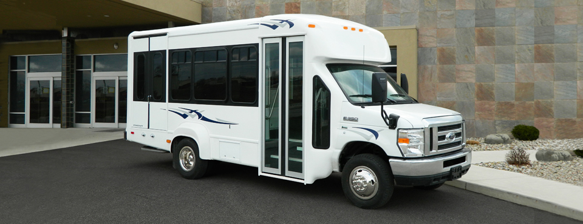

Representative Picture - Bus will be Solid White

Floor Layouts
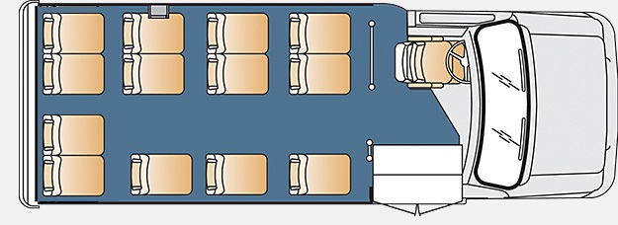
SMALL CUTAWAY BUS W/O LIFT, 13-PASS. (Driver not Included)

