Pictures
SMALL MEDIUM DUTY CUTAWAY BUS W/O LIFT, 13-PASS.
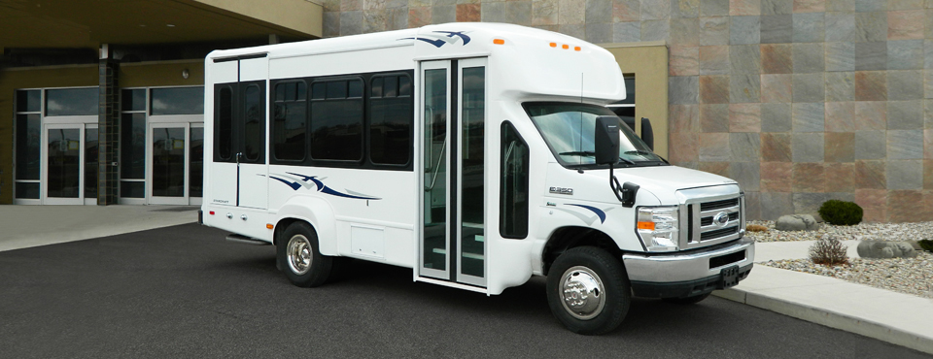

Representative Picture - Bus will be Solid White

Floor Layouts
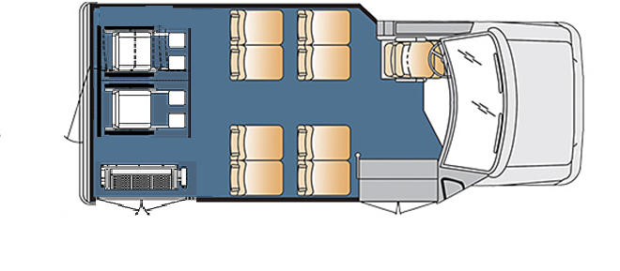
MEDIUM CUTAWAY BUS W/O LIFT, 8-Pass. or 8/2 WC (Driver not Included)

