Pictures
MEDIUM CUTAWAY BUS W/O LIFT, 20-PASS.

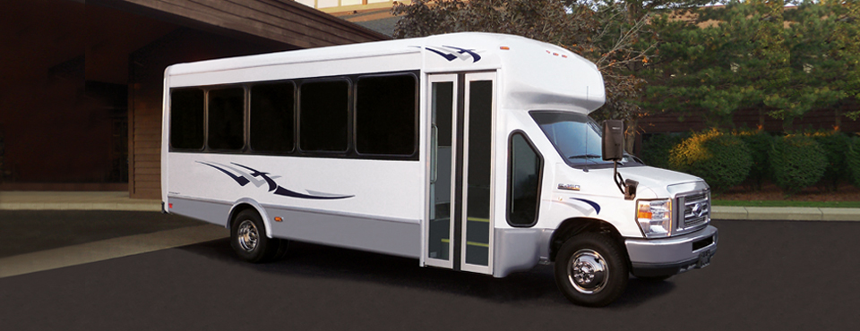

Representative Picture Only - Bus will be Solid White

Floor Layouts
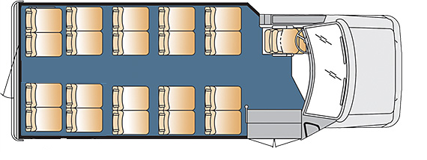
MEDIUM CUTAWAY BUS W/O LIFT, 20-PASS. (Driver not Included)

